Observation
Serial No | Function | Remarks
1 |  | I have used (COUNTBLANK) and(ISBLANK) Funtion in Price Column(D2:D35), So finally there are no Missing Values in Price coulmn
 |  | If incase any missing values appears in Price, I have use IF(ISBLANK) (AVE) Conditions. In price column no Outleirs so I can Directly use mean type central tendency. I have created One more Extra Column (H) is Price In Missing value. Then the average(H2:H35) is 283
2 |  | I have creanted once more column (J) then Trimed the Product Name Column (J2:J35) then I have checked the Inconsistency text, there are No Inconsistent text found in Product Name column
 | 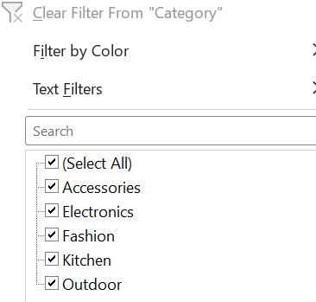 | I have Filtered and Checked the Categories Column there are no Typos Presented (F2:F35)
 |  | I have Used the find and replace function to standardize the text formats in the "Product Name" column there are no spell error in Product name, Then i have created one more Column (K) and Used the Find and Replace Function, If any errors presented in Product Name (K2:K35)
 | (F2:F35) | There are No typos or misspellings in the "Category" column (F2:F35)
3 | 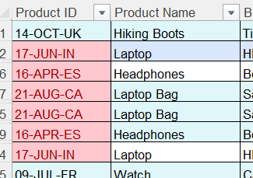 | In the Home tab, I selected Conditional Formatting from the Styles group. Then I selected Duplicate Values. As a result, the duplicate values in the Product ID column were highlighted.
 |  | There were 3 duplicate values in the Product ID column. then used the Remove Duplicates option from the Data tab. After removing the duplicates, only 31 rows remained.
4 |  | Created 2 new column L & M , Then I have splitted the "Product ID" column into two separate columns for " Manufacturing Date" (L2:L32) and "Country Code"(M2:M32)
 |  | I have Merged the "Brand Name" (C2:C32)and "Product Name"(B2:B32) columns into one column and I have named it "Product Brand"(N2:N32).
5 |  | Changed the data type of the "Price" (D2:D32)column to a currency format.
 |  | Created a new column (O) for the date. The Manufacturing Date contained only the day and month, with the month in text format. I used the TEXT function to convert the month into the required format, and the dates were then displayed in the DD-MM-YYYY format. Since the dataset did not include a year, Excel automatically assigned the year 2026 to the dates in cells O2:O32.
6 | 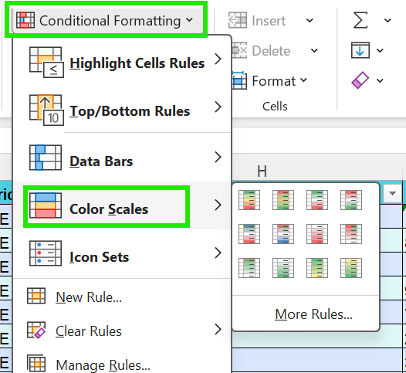 | Applied Color Scales conditional formatting to the Price column (D2) to visually highlight price variations using different colors based on the cell values
 | 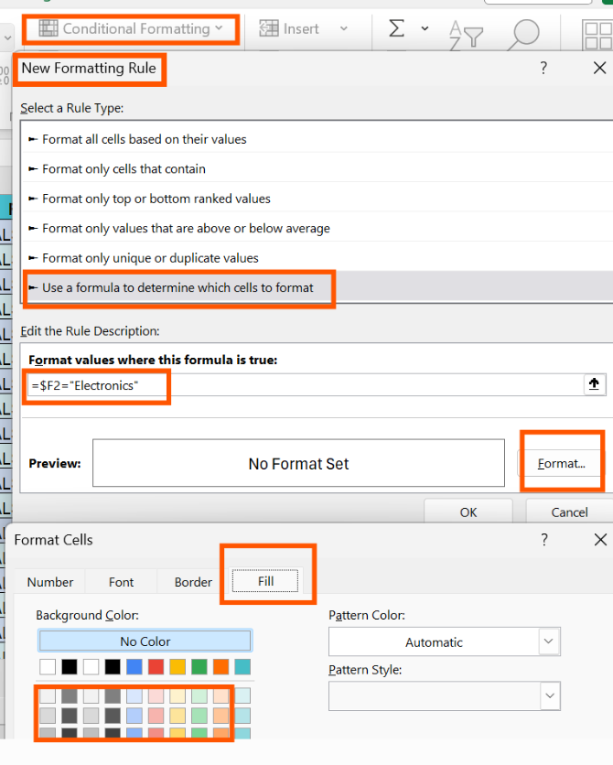 | Created a custom conditional formatting rule for the Category column (F2) to highlight cells containing "Electronics", making them easy to identify.

